エビデンス
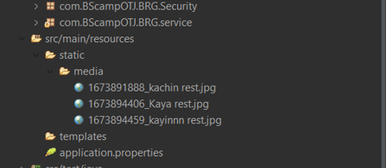
 | 01_001_001

Restaurant's Picture have to be in Folder.

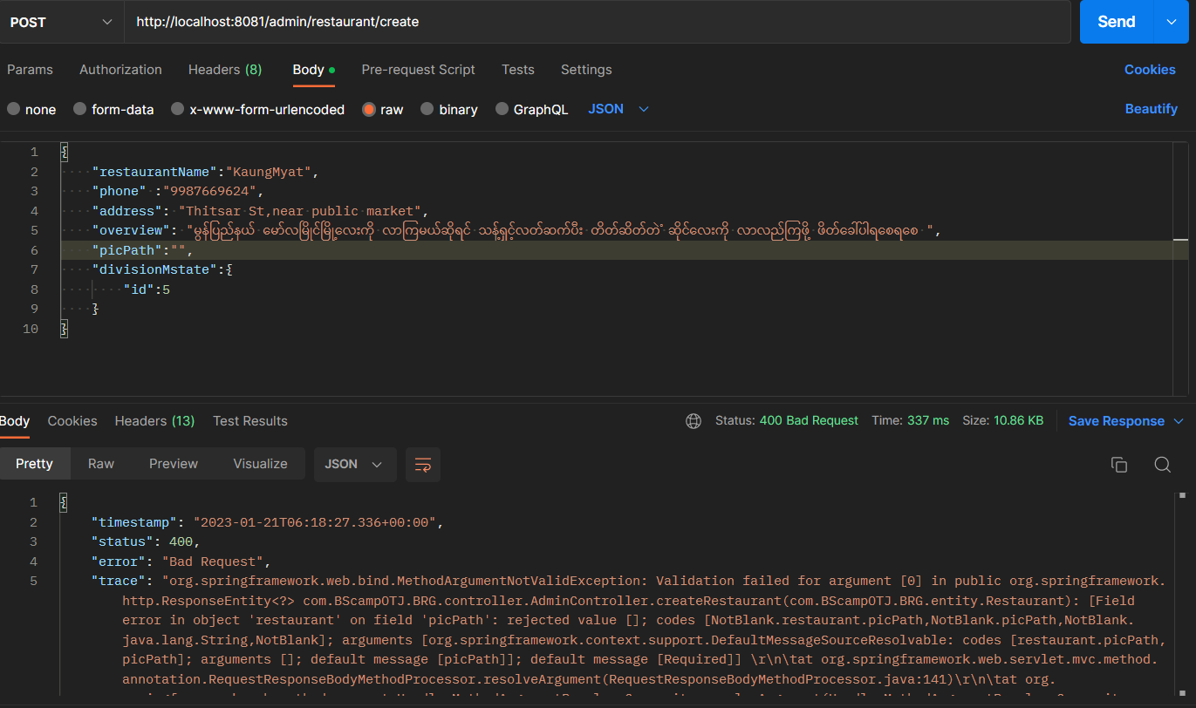
01_001_002
Request And Response

01_001_003
Request And Response

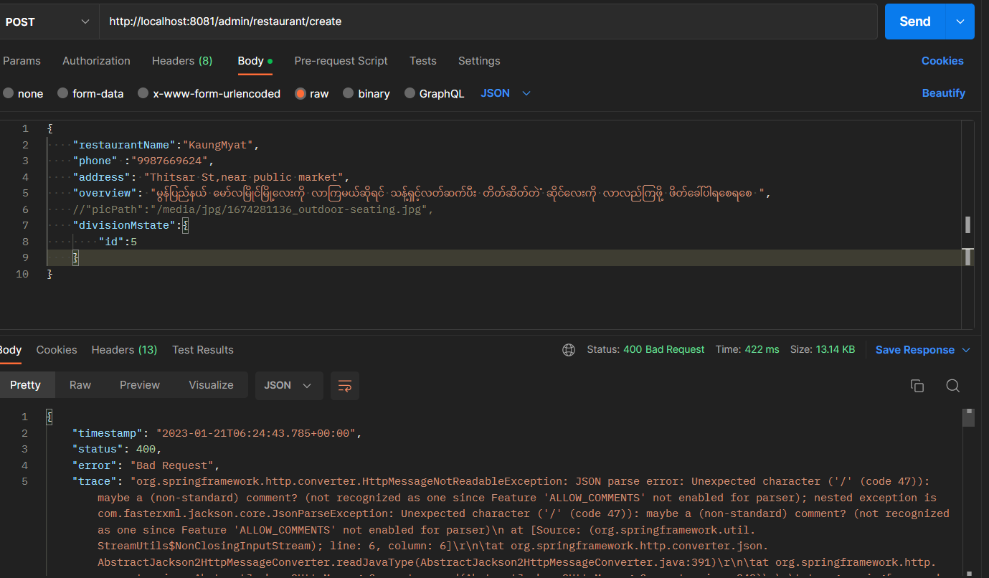
01_001_004
Request And Response

01_001_005
Request And Response

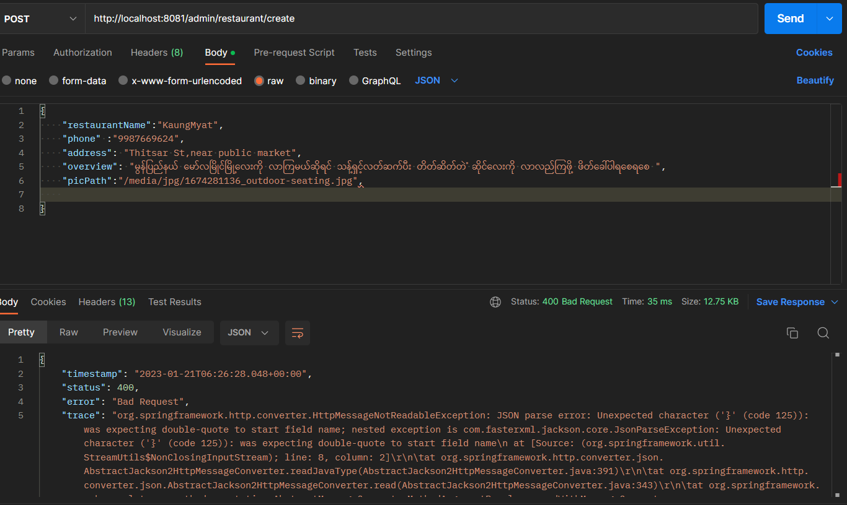
01_001_006
Request And Response

01_001_007
Request And Response

